KKO
KAJIAN KELAYAKAN OPERASI

DAYA LAMA |  |  |  | DAYA BARU
Nama Pelanggan | : | HJ KASMI |  | Nama Pelanggan | : | HJ KASMI
Daya Lama (VA) | : | 164000 |  | Daya Baru (VA) | : | 105000
Jumlah Fasa | : | 3 | * | Jumlah Fasa | : | 3
Tegangan Sekunder Pengukuran rata-rata (Fasa-Netral) (V) | : | 380 | * | Tegangan Sekunder Pengukuran rata-rata (Fasa-Netral) (V) | : | 380
Beban Pelanggan (A) | : | 249.17 |  | Beban Pelanggan (A) | : | 159.53

SUPLAI TRAFO EKSISTING |  |  |  | SUPLAI TRAFO RENCANA
Nomor Tiang | : |  |  | Nomor Tiang | :
Penyulang | : |  |  | Penyulang | :
Daya | : | 100 | * | Daya | : | 100
Jumlah Fasa | : | 3 | * | Jumlah Fasa | : | 3
Beban TRAFO (Pengukuran Lapangan) |  |  |  | Beban TRAFO | : | 159.53
Beban Primer | : | 2.89 | * | Beban Primer | : | 2.89
Beban Sekunder | : | 151.93 | * | Beban Sekunder | : | 151.93
Beban (A) | : | 0.15 |  | Beban (A) | : | 0.15
Prosentase Pembebanan | : | 0% |  | Beban (A) | : | 105%
 | 105% | 100%
Prosentase Pembebanan | : | 100% |  | Beban (A) | : | 100%

DATA





DATA
Tahun | : | 2022
Discount Rate | : | 12%
Transfer price TM | : | 1,084 |  | Marginal COST maret 2022
Umur ekonomis (tahun) | : | 25.00
Selisih Susut Teknis | : | 2.25%
∑ Daya | : | (59)
BP (Rp) | : | (45,725,000)
RAB (Rp) | : | 20,595,983
Biaya O&M (2% invest) | : | 411,919.67

Nama Pelanggan | : | HJ KASMI | *
Golongan Pelanggan | : | B2 | *
Jenis Layanan | : | REGULER | *
Daya Lama (kVA) | : | 164 | *
Daya Baru (kVA) | : | 105 | *
Tarif WBP (Rp/kWh) | : | 1,458.00 | *
Tarif LWBP (Rp/kWh) | : | 972.00 | *
BP (Rp/VA) TR | : | 775 | *
Jam Nyala | : | 40 | *

RAB
 |  | PT. PLN ( PERSERO )
 |  | UNIT INDUK DISTRIBUSI JAWA TENGAH & DI YOGYAKARTA |  |  |  |  |  |  |  |  |  | RAB TOTAL
 |  | UP3 DEMAK |  |  |  |  |  |  |  |  | RAB TOTAL | RAB NON MDU
 | RENCANA ANGGARAN BIAYA (RAB)

 |  |  |  | Pekerjaan | : | HJ KASMI
 |  |  |  | Lokasi | : | DS MRANAK KEC DEMAK
 |  |  |  | Pelaksana | : | UP3 DEMAK
 |  |  |  | Anggaran | : | SAR 2023

Note !! 1. Saat Pengisian Uraian di mohon memasukan nama material sesuai dengan nama material di harga satuan
2. Mohon di cek kembali saat pengisian volume material
3. Untuk program Sarana Penunjang Fungsi tidak perlu SLO.
 | NO | URAIAN | GOL | SAT | VOL | HARGA SATUAN | BIAYA YANG DIPERLUKAN ( Rp )
 |  |  |  |  |  |  | MDU | HARDWARE | JASA | JUMLAH

 |  |  |  |  |  | 0 | 0 | 0 | 0 | 0
#REF! | I | PENANAMAN TIANG BETON |  |  |  | 0 | 0 | 0 | 0 | 0

 | II | KONSTRUKSI JTR 3 PHASE |  |  |  | 0 | 0 | 0 | 0 | 0
 |  |  |  |  |  | 0 | 0 | 0 | 0 | 0
 | III | UPGRADING TRAFO |  |  |  | 0 | 0 | 0 | 0 | 0
 |  |  |  |  |  | 0 | 0 | 0 | 0 | 0
 | IV | Pemasangan APP |  |  |  | 0 | 0 | 0 | 0 | 0
 | + | Daya 105.000 VA |  | Unit | 1 | 0 | 0 | 0 | 0 | 0
 | 1 | KWH Elektronik; 3P; 4W; 220/380V; 5(10); kls 1 (Pengukuran Tidak Langsung) | PLN | Bh | 1 | 1,504,200 | 0 | 0 | 0 | 0
 | 2 | Smart Box Tidak Langsung Daya 105 kVA MCCB 160 A | MDU-KD | Unit | 1 | 14,217,900 | 14,217,900 | 0 | 0 | 14,217,900
 | 3 | Modem 3G/4G | PLN | Unit | 1 | 1,113,900 | 0 | 0 | 0 | 0
 | 4 | Kabel NYY 1 x 70 mm² | MDU-KD | Mtr | 44 | 94,700 | 4,166,800 | 0 | 0 | 4,166,800
 | 5 | Upah Pasang SR + APP 3 Fasa | JASA | Unit | 1 | 106,400 | 0 | 0 | 106,400 | 106,400
 | 6 | Upah Bongkar SR + APP 3 Fasa | JASA | Unit | 1 | 63,840 | 0 | 0 | 63,840 | 63,840

 | V | PEKERJAAN LAIN-LAIN |  |  |  | 0 | 0 | 0 | 0 | 0
 |  |  |  |  |  | 0 | 0 | 0 | 0 | 0
 |  | SLO |  |  |  | 0 | 0 | 0 | 0 | 0
 | 1 | Sertifikasi Laik Operasi | JASA | Lot | 1 | 2.5% |  |  | 0 | 0
 |  |  |  |  |  |  | 0 | 0 | 0 | 0

 |  | Jumlah MDU - Hardware - Jasa |  |  |  | : | 18,384,700 | 0 | 170,240 | 18,554,940
 |  | PPN 11% |  |  |  | : | 2,022,317 | 0 | 18,726 | 2,041,043
 |  | Jumlah Total |  |  |  | : | 20,407,017 | 0 | 188,966 | 20,595,983
 | Terbilang : Dua Puluh Juta Lima Ratus Sembilan Puluh Lima Ribu Sembilan Ratus Delapan Puluh Tiga Rupiah

 | Harga yang dipakai adalah RAB HSS 2023

 |  |  |  |  |  |  |  | Demak, 19 Januari 2024
 |  |  |  |  |  |  |  | MANAGER ULP

 |  |  |  |  |  |  |  | ACHMAD SUHENDRO

GAMBAR
 | PT. PLN (PERSERO) UP3 DEMAK

s
s
 | Keterangan Gambar :
 | No | Nama Material |  | Baru |  | Eksisting
 | 1 | Tiang Beton
KOORDINAT : -6.886986, 110.656277 | 2 | Tiang Besi
 | 3 | JTM 3 Fasa
 | 4 | JTM 1 Fasa
 | 5 | JTR 1 Fasa Only / UB
 | 6 | JTR 3 Fasa Only / UB
 | 7 | Trafo 1 Fasa
 | 8 | Trafo 3 Fasa
 | 9 | Fuse Cut Out
 | 10 | ABSW
 | 11 | Vang Net
 | 12 | Schoor
 | 13

 | Bongkar Pasang Konstruksi :
 | Pasang |  |  | Bongkar

SELEP HJ KASMI

 | Keterangan Tambahan :

 | Golongan
 | No. Gambar |  | 1 |  | Lembar |  | dr
 | Gambar dari |  |  |  | Skala
 | Perihal:
 | HJ KASMI

 | Digambar |  | STAF TEKNIK
 | Diperiksa |  | TL TEKNIK
 | Diketahui |  | MULP
 | Disetujui |  | MBAG REN

SLD

SINGLE LINE DIAGRAM LOKASI PELANGGAN

PETA
PETA LOKASI PELANGGAN

KOORDINAT : -6.886986, 110.656277

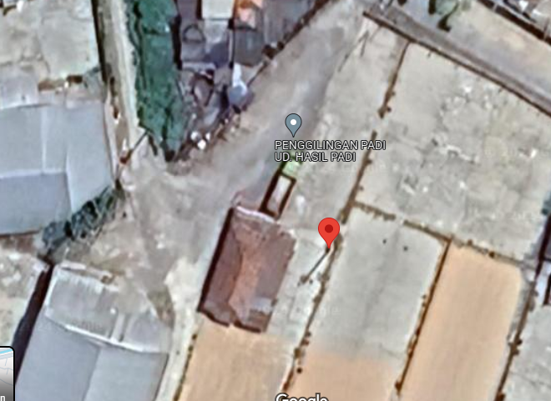

SMP 1

